AC 2024 KPI
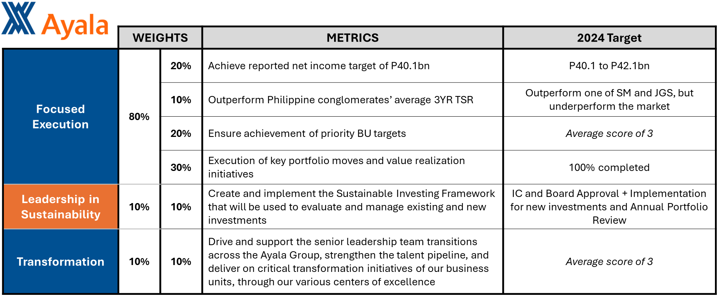

KRA Template Guide
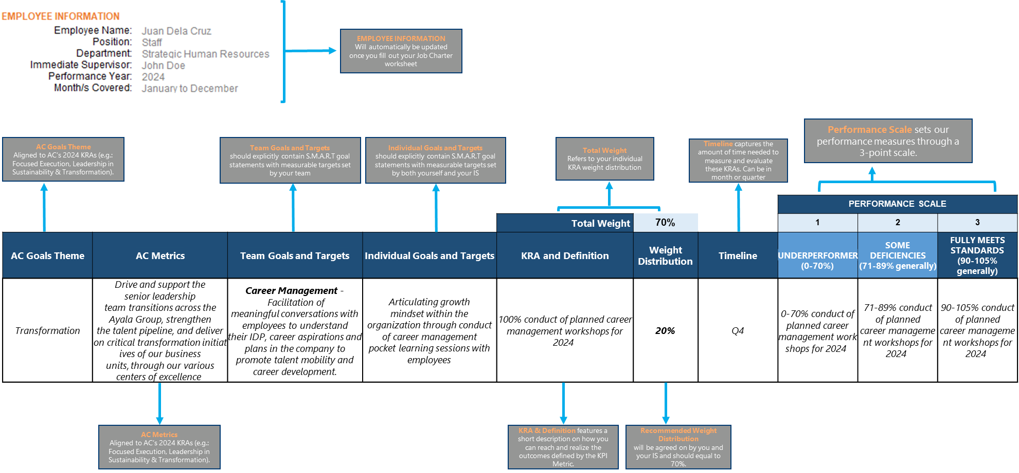

Sample KRA

1 - Job Charter
EMPLOYEE INFORMATION
Employee Name: | Juan Dela Cruz
Position: | Staff
Department: | Strategic Human Resources
Immediate Supervisor: | John Doe
Performance Year: | 2024
Month/s Covered: | January to December

You can extract the following details in Peoplescore.

 | Job Summary

 | Duties and Responsibilities (Max of 12)
1
2
3
4
5
6
7
8
9
10
11
12

 | Internal Interactions
 | Unit/Department/Position | Level of Interaction/Reason
1
2
3
4
5

 | External Interactions
 | Unit/Department/Position | Level of Interaction/Reason
1
2
3
4
5

